New IBS Calculator
Formulas:
$$IBS=\left(Faculty Compensation\right)+ \left(Admin Supplement\right)$$
$$IBS Monthly Rate=\left(Faculty Compensation÷Appt Term\right)+(Admin Supplement ÷Admin Term)$$
Formulas:
% Effort = Person Months/(FTE*AY , SM, or CY Period Months)
Person Months = (FTE x % Effort)*AY, SM, or CY Period Months
Obligation Period: | Start Date: |  | End Date:
Step 1: Person Months |  |  |  |  |  |  |  |  |  |  |  |  |  |  | Step 2: Institutional Base Salary (IBS) |  |  |  |  |  |  |  |  |  | Step 3: Salary Support on Grant (SSOG)
 |  |  |  |  | Academic Months |  |  | Summer Months |  |  | Calendar Months |  |  |  | Faculty Salary |  |  | Admin Supplement |  |  | Total
Person | Name | Full Time/ Part Time | FTE Amt | DHHS Salary Cap (Y/N) | # of AY Months in Period | AY Person Months 61010 | AY % Effort | # of Summer Months in Period | Summer Person Months 61013 | Summer % Effort | # of CY Months in Period | CY Person Months | CY % Effort | Total Person Months | Faculty Compensation | Appt Term | Monthly Faculty Rate | Admin Supplement | Admin Supplement Term | Monthly Admin. Supplement Rate | IBS | Monthly IBS Rate | Faculty % | Admin % | AY Person Months | AY SSOG | Summer Person Months | SM SSOG | CY Months | CY SSOG | Total SSOG
1 | Smith | Full Time | 1 | N | 8 | - | 0.00% | 4 | - | 0.00% | 12 | - | 0.00% | - | $- | 8 | $0 | $- | 12 | $0 | $0 | $0 | 0.00% | 0.00% | 0.00 | $0 | 0.00 | $0 | 0.00 | $0 | $0
2 |  | Full Time | 1 | N | 8 | - | 0.00% | 4 | - | 0.00% | 12 | - | 0.00% | - | $- | 8 | $0 | $- | 12 | $0 | $0 | $0 | 0.00% | 0.00% | 0.00 | $0 | 0.00 | $0 | 0.00 | $0 | $0
3 |  | Full Time | 1 | N | 8 | - | 0.00% | 4 | - | 0.00% | 12 | - | 0.00% | - | $- | 8 | $0 | $- | 12 | $0 | $0 | $0 | 0.00% | 0.00% | 0.00 | $0 | 0.00 | $0 | 0.00 | $0 | $0
4 |  | Full Time | 1 | N | 8 | - | 0.00% | 4 | - | 0.00% | 12 | - | 0.00% | - | $- | 8 | $0 | $- | 12 | $0 | $0 | $0 | 0.00% | 0.00% | 0.00 | $0 | 0.00 | $0 | 0.00 | $0 | $0
5 |  | Full Time | 1 | N | 8 | - | 0.00% | 4 | - | 0.00% | 12 | - | 0.00% | - | $- | 8 | $0 | $- | 12 | $0 | $0 | $0 | 0.00% | 0.00% | 0.00 | $0 | 0.00 | $0 | 0.00 | $0 | $0
6 |  | Full Time | 1 | N | 8 | - | 0.00% | 4 | - | 0.00% | 12 | - | 0.00% | - | $- | 8 | $0 | $- | 12 | $0 | $0 | $0 | 0.00% | 0.00% | 0.00 | $0 | 0.00 | $0 | 0.00 | $0 | $0
7 |  | Full Time | 1 | N | 8 | - | 0.00% | 4 | - | 0.00% | 12 | - | 0.00% | - | $- | 8 | $0 | $- | 12 | $0 | $0 | $0 | 0.00% | 0.00% | 0.00 | $0 | 0.00 | $0 | 0.00 | $0 | $0
8 |  | Full Time | 1 | N | 8 | - | 0.00% | 4 | - | 0.00% | 12 | - | 0.00% | - | $- | 8 | $0 | $- | 12 | $0 | $0 | $0 | 0.00% | 0.00% | 0.00 | $0 | 0.00 | $0 | 0.00 | $0 | $0
9 |  | Full Time | 1 | N | 8 | - | 0.00% | 4 | - | 0.00% | 12 | - | 0.00% | - | $- | 8 | $0 | $- | 12 | $0 | $0 | $0 | 0.00% | 0.00% | 0.00 | $0 | 0.00 | $0 | 0.00 | $0 | $0
10 |  | Full Time | 1 | N | 8 | - | 0.00% | 4 | - | 0.00% | 12 | - | 0.00% | - | $- | 8 | $0 | $- | 12 | $0 | $0 | $0 | 0.00% | 0.00% | 0.00 | $0 | 0.00 | $0 | 0.00 | $0 | $0

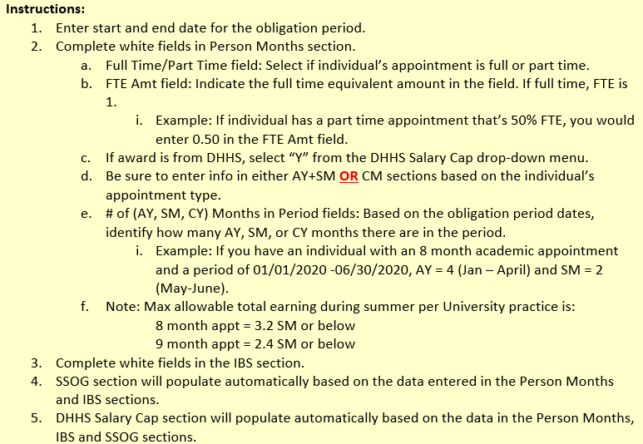
 |  | DHHS Salary Cap
 |  | Monthly | $18,808.33
 |  | Annual Amt | $225,700.00
 |  | CAP Amount | Over the Cap Salary | Over the Cap Fringe | Person | SALARY Amount Requested | DHHS Salary Cap (Y/N)
1 | Smith |  |  | $- | Smith | $0.00 | N
2 |  |  |  | $- |  | $0.00 | N
3 |  |  |  | $- |  | $0.00 | N
4 |  |  |  | $- |  | $0.00 | N
5 |  |  |  | $- |  | $0.00 | N
6 |  |  |  | $- |  | $0.00 | N
7 |  |  |  | $- |  | $0.00 | N
8 |  |  |  | $- |  | $0.00 | N
9 |  |  |  | $- |  | $0.00 | N
10 |  |  |  | $- |  | $0.00 | N
 | Total |  | $- | $-
 |  |  |  |  | Y*= Yes, DHHS award but monthly IBS does not exceed cap amount

Person Month Calculator
FTEs | 1
% Effort | 50.00%
Budget Months | 8
Person Months | 4

